Sheet1
Mn | Mw | PDI | PDI (zw) | Temperature © | Shear Rate | Frequency | Intrinsic Viscosity (dL/g) | Melt Viscosity (poise) | Source | Link | Method
240 | 240 | 1 |  | 150 | 0 |  |  | 0.025 |  |  |  | 2.3802112417 | -1.6020599913
400 | 440 | 1.1 |  | 150 | 0 |  |  | 0.04 |  |  |  | 2.6434526765 | -1.3979400087
965.51724138 | 2800 | 2.9 |  | 150 | 0 |  |  | 0.375 |  |  |  | 3.4471580313 | -0.42596873227
1880 | 4700 | 2.5 | 2 | 150 | 0 |  |  | 0.89 |  |  |  | 3.6720978579 | -0.050609993355
3095.2380952 | 6500 | 2.1 | 1.5 | 150 | 0 |  |  | 1.9 |  |  |  | 3.8129133566 | 0.27875360095
6388.8888889 | 11500 | 1.8 | 1.8 | 150 | 0 |  |  | 35 |  |  |  | 4.0606978404 | 1.5440680444
5920 | 14800 | 2.5 | 2.1 | 150 | 0 |  |  | 100 |  |  |  | 4.1702617154 | 2
2923.0769231 | 19000 | 6.5 | 3.8 | 150 | 0 |  |  | 170 |  |  |  | 4.278753601 | 2.2304489214
3589.7435897 | 28000 | 7.8 | 3.5 | 150 | 0 |  |  | 1520 |  |  |  | 4.4471580313 | 3.1818435879
14000 | 42000 | 3 | 2 | 150 | 0 |  |  | 5200 |  |  |  | 4.6232492904 | 3.7160033436
26000 | 52000 | 2 | 1.8 | 150 | 0 |  |  | 7300 |  |  |  | 4.7160033436 | 3.8633228601
 | 114000 | 16 | 2.3 | 150 | 0 |  |  | 161300 |  |  |  | 5.0569048513 | 5.2076343674
 | 120000 | 2 | 1.6 | 150 | 0 |  |  | 178000 |  |  |  | 5.079181246 | 5.2504200023
 | 178000 | 4 | 3.5 | 150 | 0 |  |  | 705000 |  |  |  | 5.2504200023 | 5.848189117
 | 224000 | 3 | 1.7 | 150 | 0 |  |  | 1132000 |  |  |  | 5.3502480183 | 6.0538464269
 | 403000 | 2.6 | 2.3 | 150 | 0 |  |  | 15700000 |  |  |  | 5.6053050461 | 7.1958996524
 | 665000 | 3.5 | 1.8 | 150 | 0 |  |  | 42330000 |  |  |  | 5.8228216453 | 7.6266482685
 | 564000 | 4.3 | 2.1 | 150 | 0 |  |  | 67323100 |  |  |  | 5.751279104 | 7.8281641055

Sheet2
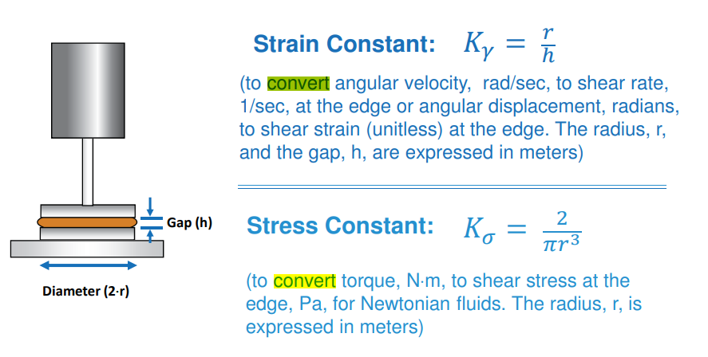
(5) (PDF) Prediction of Crossover in the Molecular Weight Dependence of Polyethylene Viscosity Using a Polymer Free Volume Theory (researchgate.net)
A Rheological Model for Polymer Blends based on the Concentric Multilayer Approach. 1. Homogeneous Polymer Blends

